OffCue
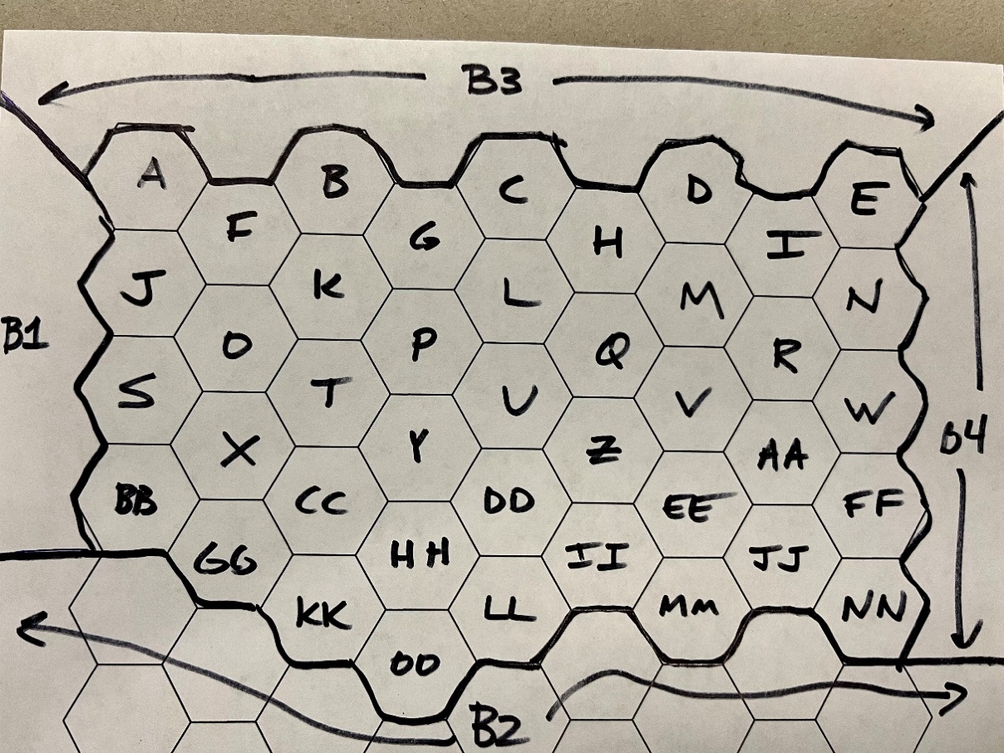
 |  |  |  |  |  |  |  |  |  |  |  |  |  |  |  |  |  |  |  |  |  |  |  |  |  |  |  |  |  |  |  |  |  |  |  |  |  |  |  |  |  |  | LHS | RHS | Sign | RHS | Sign
 | Regions | A | B | C | D | E | F | G | H | I | J | K | L | M | N | O | P | Q | R | S | T | U | V | W | X | Y | Z | AA | BB | CC | DD | EE | FF | GG | HH | II | JJ | KK | LL | MM | NN | OO |  | MIN |  | MAX |  | Region | Region | A | B | C | D | E | F | G | H | I | J | K | L | M | N | O | P | Q | R | S | T | U | V | W | X | Y | Z | AA | BB | CC | DD | EE | FF | GG | HH | II | JJ | KK | LL | MM | NN | OO
 |  | 0 | 0 | 0 | 0 | 0 | 1 | 0 | 0 | 0 | 0 | 0 | 1 | 1 | 1 | 0 | 0 | 0 | 0 | 1 | 0 | 0 | 0 | 0 | 1 | 0 | 1 | 0 | 0 | 0 | 0 | 1 | 0 | 0 | 1 | 0 | 1 | 0 | 0 | 0 | 0 | 0 | 505 | Maximize |  |  |  | COST | COST | 270 | 345 | 299 | 752 | 450 | 475 | 358 | 660 | 725 | 740 | 410 | 455 | 705 | 569 | 635 | 645 | 655 | 369 | 399 | 425 | 575 | 585 | 599 | 505 | 525 | 325 | 285 | 342 | 329 | 629 | 680 | 700 | 679 | 535 | 440 | 349 | 425 | 415 | 625 | 705 | 489
 | Border 1 | 1 |  |  |  |  |  |  |  |  | 1 |  |  |  |  |  |  |  |  | 1 |  |  |  |  |  |  |  |  | 1 |  |  |  |  |  |  |  |  |  |  |  |  |  | 1 | 1 | EQ |  |  | MVALUE | MVALUE | 18 | 24 | 22 | 85 | 50 | 52 | 32 | 55 | 71 | 72 | 43 | 46 | 73 | 60 | 61 | 63 | 66 | 37 | 40 | 43 | 62 | 61 | 64 | 50 | 52 | 26 | 23 | 27 | 28 | 54 | 67 | 70 | 71 | 54 | 47 | 37 | 42 | 39 | 55 | 72 | 51
 | Border 3 | 1 | 1 | 1 | 1 | 1 | 1 | 1 | 1 | 1 |  |  |  |  |  |  |  |  |  |  |  |  |  |  |  |  |  |  |  |  |  |  |  |  |  |  |  |  |  |  |  |  | 1 | 1 | EQ |  |  | COMP | COMP | 2 | 4 | 5 | 8 | 6 | 3 | 1 | 3 | 7 | 6 | 5 | 2 | 9 | 8 | 4 | 5 | 3 | 1 | 2 | 3 | 5 | 4 | 7 | 2 | 3 | 1 | 2 | 3 | 2 | 6 | 8 | 7 | 8 | 4 | 5 | 3 | 2 | 1 | 4 | 3 | 8
 | Border 2 |  |  |  |  |  |  |  |  |  |  |  |  |  |  |  |  |  |  |  |  |  |  |  |  |  |  |  | 1 |  |  |  |  | 1 |  | 1 | 1 | 1 | 1 | 1 | 1 | 1 | 1 | 1 | EQ
 | Border 4 |  |  |  |  | 1 |  |  |  |  |  |  |  |  | 1 |  |  |  |  |  |  |  |  | 1 |  |  |  |  |  |  |  |  | 1 |  |  |  |  |  |  |  | 1 |  | 1 | 1 | EQ
 | Coverage A | 1 |  |  |  |  | 1 |  |  |  | 1 |  |  |  |  |  |  |  |  |  |  |  |  |  |  |  |  |  |  |  |  |  |  |  |  |  |  |  |  |  |  |  | 1 | 1 | GT | 3 | LT
 | Coverage B |  | 1 |  |  |  | 1 | 1 |  |  |  | 1 |  |  |  |  |  |  |  |  |  |  |  |  |  |  |  |  |  |  |  |  |  |  |  |  |  |  |  |  |  |  | 1 | 1 | GT | 3 | LT
 | Coverage C |  |  | 1 |  |  |  | 1 | 1 |  |  |  | 1 |  |  |  |  |  |  |  |  |  |  |  |  |  |  |  |  |  |  |  |  |  |  |  |  |  |  |  |  |  | 1 | 1 | GT | 3 | LT
 | Coverage D |  |  |  | 1 |  |  |  | 1 | 1 |  |  |  | 1 |  |  |  |  |  |  |  |  |  |  |  |  |  |  |  |  |  |  |  |  |  |  |  |  |  |  |  |  | 1 | 1 | GT | 3 | LT
 | Coverage E |  |  |  |  | 1 |  |  |  | 1 |  |  |  |  | 1 |  |  |  |  |  |  |  |  |  |  |  |  |  |  |  |  |  |  |  |  |  |  |  |  |  |  |  | 1 | 1 | GT | 3 | LT
 | Coverage F | 1 | 1 |  |  |  | 1 |  |  |  | 1 | 1 |  |  |  | 1 |  |  |  |  |  |  |  |  |  |  |  |  |  |  |  |  |  |  |  |  |  |  |  |  |  |  | 1 | 1 | GT | 3 | LT
 | Coverage G |  | 1 | 1 |  |  |  | 1 |  |  |  | 1 | 1 |  |  |  | 1 |  |  |  |  |  |  |  |  |  |  |  |  |  |  |  |  |  |  |  |  |  |  |  |  |  | 1 | 1 | GT | 3 | LT
 | Coverage H |  |  | 1 | 1 |  |  |  | 1 |  |  |  | 1 | 1 |  |  |  | 1 |  |  |  |  |  |  |  |  |  |  |  |  |  |  |  |  |  |  |  |  |  |  |  |  | 2 | 1 | GT | 3 | LT
 | Coverage I |  |  |  | 1 | 1 |  |  |  | 1 |  |  |  | 1 | 1 |  |  |  | 1 |  |  |  |  |  |  |  |  |  |  |  |  |  |  |  |  |  |  |  |  |  |  |  | 2 | 1 | GT | 3 | LT
 | Coverage J | 1 |  |  |  |  | 1 |  |  |  | 1 |  |  |  |  | 1 |  |  |  | 1 |  |  |  |  |  |  |  |  |  |  |  |  |  |  |  |  |  |  |  |  |  |  | 2 | 1 | GT | 3 | LT
 | Coverage K |  | 1 |  |  |  | 1 | 1 |  |  |  | 1 |  |  |  | 1 | 1 |  |  |  | 1 |  |  |  |  |  |  |  |  |  |  |  |  |  |  |  |  |  |  |  |  |  | 1 | 1 | GT | 3 | LT
 | Coverage L |  |  | 1 |  |  |  | 1 | 1 |  |  |  | 1 |  |  |  | 1 | 1 |  |  |  | 1 |  |  |  |  |  |  |  |  |  |  |  |  |  |  |  |  |  |  |  |  | 1 | 1 | GT | 3 | LT
 | Coverage M |  |  |  | 1 |  |  |  | 1 | 1 |  |  |  | 1 |  |  |  | 1 | 1 |  |  |  | 1 |  |  |  |  |  |  |  |  |  |  |  |  |  |  |  |  |  |  |  | 1 | 1 | GT | 3 | LT
 | Coverage N |  |  |  |  | 1 |  |  |  | 1 |  |  |  |  | 1 |  |  |  | 1 |  |  |  |  | 1 |  |  |  |  |  |  |  |  |  |  |  |  |  |  |  |  |  |  | 1 | 1 | GT | 3 | LT
 | Coverage O |  |  |  |  |  | 1 |  |  |  | 1 | 1 |  |  |  | 1 |  |  |  | 1 | 1 |  |  |  | 1 |  |  |  |  |  |  |  |  |  |  |  |  |  |  |  |  |  | 3 | 1 | GT | 3 | LT
 | Coverage P |  |  |  |  |  |  | 1 |  |  |  | 1 | 1 |  |  |  | 1 |  |  |  | 1 | 1 |  |  |  | 1 |  |  |  |  |  |  |  |  |  |  |  |  |  |  |  |  | 1 | 1 | GT | 3 | LT
 | Coverage Q |  |  |  |  |  |  |  | 1 |  |  |  | 1 | 1 |  |  |  | 1 |  |  |  | 1 | 1 |  |  |  | 1 |  |  |  |  |  |  |  |  |  |  |  |  |  |  |  | 3 | 1 | GT | 3 | LT
 | Coverage R |  |  |  |  |  |  |  |  | 1 |  |  |  | 1 | 1 |  |  |  | 1 |  |  |  | 1 | 1 |  |  |  | 1 |  |  |  |  |  |  |  |  |  |  |  |  |  |  | 2 | 1 | GT | 3 | LT
 | Coverage S |  |  |  |  |  |  |  |  |  | 1 |  |  |  |  | 1 |  |  |  | 1 |  |  |  |  | 1 |  |  |  | 1 |  |  |  |  |  |  |  |  |  |  |  |  |  | 2 | 1 | GT | 3 | LT
 | Coverage T |  |  |  |  |  |  |  |  |  |  | 1 |  |  |  | 1 | 1 |  |  |  | 1 |  |  |  | 1 | 1 |  |  |  | 1 |  |  |  |  |  |  |  |  |  |  |  |  | 1 | 1 | GT | 3 | LT
 | Coverage U |  |  |  |  |  |  |  |  |  |  |  | 1 |  |  |  | 1 | 1 |  |  |  | 1 |  |  |  | 1 | 1 |  |  |  | 1 |  |  |  |  |  |  |  |  |  |  |  | 2 | 1 | GT | 3 | LT
 | Coverage V |  |  |  |  |  |  |  |  |  |  |  |  | 1 |  |  |  | 1 | 1 |  |  |  | 1 |  |  |  | 1 | 1 |  |  |  | 1 |  |  |  |  |  |  |  |  |  |  | 3 | 1 | GT | 3 | LT
 | Coverage W |  |  |  |  |  |  |  |  |  |  |  |  |  | 1 |  |  |  | 1 |  |  |  |  | 1 |  |  |  | 1 |  |  |  |  | 1 |  |  |  |  |  |  |  |  |  | 1 | 1 | GT | 3 | LT
 | Coverage X |  |  |  |  |  |  |  |  |  |  |  |  |  |  | 1 |  |  |  | 1 | 1 |  |  |  | 1 |  |  |  | 1 | 1 |  |  |  | 1 |  |  |  |  |  |  |  |  | 2 | 1 | GT | 3 | LT
 | Coverage Y |  |  |  |  |  |  |  |  |  |  |  |  |  |  |  | 1 |  |  |  | 1 | 1 |  |  |  | 1 |  |  |  | 1 | 1 |  |  |  | 1 |  |  |  |  |  |  |  | 1 | 1 | GT | 3 | LT
 | Coverage Z |  |  |  |  |  |  |  |  |  |  |  |  |  |  |  |  | 1 |  |  |  | 1 | 1 |  |  |  | 1 |  |  |  | 1 | 1 |  |  |  | 1 |  |  |  |  |  |  | 2 | 1 | GT | 3 | LT
 | Coverage AA |  |  |  |  |  |  |  |  |  |  |  |  |  |  |  |  |  | 1 |  |  |  | 1 | 1 |  |  |  | 1 |  |  |  | 1 | 1 |  |  |  | 1 |  |  |  |  |  | 2 | 1 | GT | 3 | LT
 | Coverage BB |  |  |  |  |  |  |  |  |  |  |  |  |  |  |  |  |  |  | 1 |  |  |  |  | 1 |  |  |  | 1 |  |  |  |  | 1 |  |  |  |  |  |  |  |  | 2 | 1 | GT | 3 | LT
 | Coverage CC |  |  |  |  |  |  |  |  |  |  |  |  |  |  |  |  |  |  |  | 1 |  |  |  | 1 | 1 |  |  |  | 1 |  |  |  | 1 | 1 |  |  | 1 |  |  |  |  | 2 | 1 | GT | 3 | LT
 | Coverage DD |  |  |  |  |  |  |  |  |  |  |  |  |  |  |  |  |  |  |  |  | 1 |  |  |  | 1 | 1 |  |  |  | 1 |  |  |  | 1 | 1 |  |  | 1 |  |  |  | 2 | 1 | GT | 3 | LT
 | Coverage EE |  |  |  |  |  |  |  |  |  |  |  |  |  |  |  |  |  |  |  |  |  | 1 |  |  |  | 1 | 1 |  |  |  | 1 |  |  |  | 1 | 1 |  |  | 1 |  |  | 3 | 1 | GT | 3 | LT
 | Coverage FF |  |  |  |  |  |  |  |  |  |  |  |  |  |  |  |  |  |  |  |  |  |  | 1 |  |  |  | 1 |  |  |  |  | 1 |  |  |  | 1 |  |  |  | 1 |  | 1 | 1 | GT | 3 | LT
 | Coverage GG |  |  |  |  |  |  |  |  |  |  |  |  |  |  |  |  |  |  |  |  |  |  |  | 1 |  |  |  | 1 | 1 |  |  |  | 1 |  |  |  | 1 |  |  |  |  | 1 | 1 | GT | 3 | LT
 | Coverage HH |  |  |  |  |  |  |  |  |  |  |  |  |  |  |  |  |  |  |  |  |  |  |  |  | 1 |  |  |  | 1 | 1 |  |  |  | 1 |  |  | 1 | 1 |  |  | 1 | 1 | 1 | GT | 3 | LT
 | Coverage II |  |  |  |  |  |  |  |  |  |  |  |  |  |  |  |  |  |  |  |  |  |  |  |  |  | 1 |  |  |  | 1 | 1 |  |  |  | 1 |  |  | 1 | 1 |  |  | 2 | 1 | GT | 3 | LT
 | Coverage JJ |  |  |  |  |  |  |  |  |  |  |  |  |  |  |  |  |  |  |  |  |  |  |  |  |  |  | 1 |  |  |  | 1 | 1 |  |  |  | 1 |  |  | 1 | 1 |  | 2 | 1 | GT | 3 | LT
 | Coverage KK |  |  |  |  |  |  |  |  |  |  |  |  |  |  |  |  |  |  |  |  |  |  |  |  |  |  |  |  | 1 |  |  |  | 1 | 1 |  |  | 1 |  |  |  | 1 | 1 | 1 | GT | 3 | LT
 | Coverage LL |  |  |  |  |  |  |  |  |  |  |  |  |  |  |  |  |  |  |  |  |  |  |  |  |  |  |  |  |  | 1 |  |  |  | 1 | 1 |  |  | 1 |  |  |  | 1 | 1 | GT | 3 | LT
 | Coverage MM |  |  |  |  |  |  |  |  |  |  |  |  |  |  |  |  |  |  |  |  |  |  |  |  |  |  |  |  |  |  | 1 |  |  |  | 1 | 1 |  |  | 1 |  |  | 2 | 1 | GT | 3 | LT
 | Coverage NN |  |  |  |  |  |  |  |  |  |  |  |  |  |  |  |  |  |  |  |  |  |  |  |  |  |  |  |  |  |  |  | 1 |  |  |  | 1 |  |  |  |  |  | 1 | 1 | GT | 3 | LT
 | Coverage OO |  |  |  |  |  |  |  |  |  |  |  |  |  |  |  |  |  |  |  |  |  |  |  |  |  |  |  |  |  |  |  |  |  | 1 |  |  | 1 | 1 |  |  |  | 1 | 1 | GT | 3 | LT
 | Cost | 270 | 345 | 299 | 752 | 450 | 475 | 358 | 660 | 725 | 740 | 410 | 455 | 705 | 569 | 635 | 645 | 655 | 369 | 399 | 425 | 575 | 585 | 599 | 505 | 525 | 325 | 285 | 342 | 329 | 629 | 680 | 700 | 679 | 535 | 440 | 349 | 425 | 415 | 625 | 705 | 489 | 4997 |  |  | 5000 | LT

COMP AVG. | Left | 2 | 4 | 5 | 8 | 6 | 3 | 1 | 3 | 7 | 6 | 5 | 2 | 9 | 8 | 4 | 5 | 3 | 1 | 2 | 3 | 5 | 4 | 7 | 2 | 3 | 1 | 2 | 3 | 2 | 6 | 8 | 7 | 8 | 4 | 5 | 3 | 2 | 1 | 4 | 3 | 8
 | Right | 4.25 | 4.25 | 4.25 | 4.25 | 4.25 | 4.25 | 4.25 | 4.25 | 4.25 | 4.25 | 4.25 | 4.25 | 4.25 | 4.25 | 4.25 | 4.25 | 4.25 | 4.25 | 4.25 | 4.25 | 4.25 | 4.25 | 4.25 | 4.25 | 4.25 | 4.25 | 4.25 | 4.25 | 4.25 | 4.25 | 4.25 | 4.25 | 4.25 | 4.25 | 4.25 | 4.25 | 4.25 | 4.25 | 4.25 | 4.25 | 4.25
 | Subtract | -2.25 | -0.25 | 0.75 | 3.75 | 1.75 | -1.25 | -3.25 | -1.25 | 2.75 | 1.75 | 0.75 | -2.25 | 4.75 | 3.75 | -0.25 | 0.75 | -1.25 | -3.25 | -2.25 | -1.25 | 0.75 | -0.25 | 2.75 | -2.25 | -1.25 | -3.25 | -2.25 | -1.25 | -2.25 | 1.75 | 3.75 | 2.75 | 3.75 | -0.25 | 0.75 | -1.25 | -2.25 | -3.25 | -0.25 | -1.25 | 3.75 | -0.5 |  |  | 0 | LT

